Consolidated data
 | 21 Companies, 5 year data for Dependant and Independent (Perdictor) Variables
 | Dependant Variable | Independent (Predictor) Variables
 |  | Main Effects |  |  | 2 way Interactions |  |  | 3 Way Interaction | Statistical Summary
S No. | ROCE% | LI | D/E | Revenue Growth % | LI*D/E | LI*Revenue Growth % | D/E*Revenue Growth % | LI*D/E*Revenue Growth % | Variable | Mean | Mode | Std. Dev | Min | Q1 | Q2 (Median) | Q3 | Max
1 | 12.92 | 0.88 | 0.90 | -13.34 | 0.79 | -11.72 | -12.01 | -10.55 | ROCE% | 19.45 | 16.26* | 10.51 | -5.82 | 11.25 | 18.2 | 28.24 | 40.84
2 | 19.41 | 0.87 | 1.04 | -8.83 | 0.90 | -7.66 | -9.18 | -7.97 | LI | 1.48 | 0.88 | 1.13 | 0.4 | 0.83 | 1.07 | 1.54 | 5.68
3 | 22.49 | 0.48 | 1.33 | -0.40 | 0.64 | -0.19 | -0.54 | -0.26 | D/E | 0.65 | 0 | 0.66 | 0 | 0.06 | 0.47 | 1.11 | 3.16
4 | 27.04 | 0.40 | 1.11 | 69.91 | 0.44 | 27.93 | 77.60 | 31.01 | Revenue Growth % | 17.58 | 0 | 28.42 | -65.52 | 0 | 15.5 | 37.27 | 101.32
5 | 12.82 | 0.74 | 1.16 | 13.59 | 0.86 | 10.07 | 15.76 | 11.68 | LI * D/E | 0.54 | 0.01 | 0.56 | 0 | 0.07 | 0.38 | 0.84 | 2.59
6 | 12.44 | 1.19 | 0.46 | 2.62 | 0.54 | 3.13 | 1.20 | 1.43 | LI * Rev Growth % | 18.84 | 0 | 38.65 | -76.34 | 0 | 15.11 | 38.82 | 115.11
7 | 13.33 | 1.00 | 0.33 | 6.69 | 0.33 | 6.68 | 2.23 | 2.23 | D/E * Rev Growth % | 16.52 | 0 | 33.74 | -62.28 | 0 | 3.45 | 24.47 | 112.76
8 | 11.18 | 0.97 | 0.28 | 37.27 | 0.27 | 36.11 | 10.48 | 10.15 | LI * D/E * Rev Growth % | 14.12 | 0 | 31.02 | -68 | 0 | 2.12 | 25.05 | 121.23
9 | 5.76 | 0.98 | 0.25 | 26.89 | 0.24 | 26.39 | 6.59 | 6.47
10 | 4.03 | 1.18 | 0.22 | -11.81 | 0.25 | -13.88 | -2.56 | -3.01 | Key Observations from the Full Dataset
11 | 15.87 | 2.19 | 0.15 | 5.30 | 0.33 | 11.61 | 0.80 | 1.74
12 | 36.63 | 0.71 | 1.69 | 7.60 | 1.19 | 5.36 | 12.87 | 9.07 | The "Zero" Effect: We see that for several variables (D/E and Growth-related), the Mode is 0.00. This suggests a significant cluster of companies in our data that are either debt-free or experienced stagnant growth during the period.
13 | 30.53 | 0.75 | 1.56 | 5.20 | 1.16 | 3.88 | 8.12 | 6.05
14 | 31.75 | 0.75 | 1.49 | 46.20 | 1.12 | 34.80 | 68.85 | 51.87 | ROCE% Stability: Even with 105 rows, the Mean (19.45) and Median (18.20) remain fairly close. This indicates that our primary performance metric follows a relatively normal distribution compared to the other variables.
15 | 23.78 | 0.84 | 0.98 | 25.74 | 0.82 | 21.62 | 25.18 | 21.15
16 | 16.75 | 0.88 | 0.69 | 7.77 | 0.60 | 6.85 | 5.34 | 4.70 | Right-Skewed Leverage: The D/E ratio has a Mean (0.65) much higher than its Mode (0.00). This confirms that while many companies avoid debt, the ones that do use it often use it heavily, stretching the distribution to a maximum of 3.16.
17 | 16.16 | 0.80 | 0.83 | -7.90 | 0.67 | -6.36 | -6.54 | -5.26
18 | 20.60 | 0.86 | 0.84 | 15.38 | 0.73 | 13.25 | 13.00 | 11.20 | Interaction Volatility: The interaction terms (the last three columns) show extremely high Standard Deviations relative to their means. This is expected, as multiplying two volatile percentages (like LI and Growth) compounds the variance.
19 | 19.27 | 0.86 | 0.92 | 46.86 | 0.79 | 40.19 | 43.12 | 36.98
20 | 16.74 | 0.81 | 0.97 | 7.66 | 0.79 | 6.21 | 7.46 | 6.05
21 | 18.20 | 1.13 | 0.61 | -4.46 | 0.69 | -5.02 | -2.74 | -3.08
22 | 16.78 | 1.39 | 0.51 | -14.41 | 0.70 | -20.01 | -7.29 | -10.13
23 | 34.59 | 1.38 | 0.94 | 45.68 | 1.30 | 63.14 | 43.09 | 59.55
24 | 16.14 | 0.81 | 2.09 | 26.56 | 1.70 | 21.58 | 55.62 | 45.19
25 | 30.08 | 0.88 | 1.65 | 45.45 | 1.45 | 39.97 | 74.87 | 65.85
26 | 32.95 | 1.50 | 0.26 | 19.12 | 0.38 | 28.75 | 4.88 | 7.34
27 | 32.27 | 1.64 | 0.17 | 7.94 | 0.28 | 13.01 | 1.35 | 2.22
28 | 32.18 | 1.62 | 0.20 | 0.00 | 0.33 | 0.00 | 0.00 | 0.00
29 | 36.50 | 1.45 | 0.43 | 40.00 | 0.63 | 58.15 | 17.23 | 25.05
30 | 40.84 | 1.22 | 0.30 | 15.38 | 0.36 | 18.70 | 4.62 | 5.61
31 | 16.26 | 3.23 | 0.04 | 14.52 | 0.12 | 46.91 | 0.54 | 1.74
32 | 16.33 | 3.38 | 0.03 | 11.71 | 0.12 | 39.61 | 0.41 | 1.37
33 | 13.64 | 2.84 | 0.05 | 13.27 | 0.15 | 37.64 | 0.68 | 1.94
34 | 16.61 | 3.55 | 0.04 | 32.43 | 0.14 | 115.11 | 1.30 | 4.62
35 | 9.43 | 3.22 | 0.06 | -10.84 | 0.20 | -34.88 | -0.67 | -2.14
36 | 14.71 | 0.83 | 0.01 | 4.55 | 0.01 | 3.76 | 0.06 | 0.05
37 | 17.21 | 0.68 | 0.01 | -9.09 | 0.01 | -6.21 | -0.08 | -0.06
38 | 5.66 | 0.85 | 0.01 | -3.20 | 0.01 | -2.72 | -0.05 | -0.04
39 | 7.37 | 1.32 | 0.01 | -8.76 | 0.01 | -11.55 | -0.05 | -0.07
40 | 6.74 | 1.23 | 0.01 | 16.10 | 0.01 | 19.81 | 0.09 | 0.12
41 | 27.55 | 1.77 | 0.53 | 23.91 | 0.95 | 42.35 | 12.77 | 22.61
42 | 27.32 | 1.51 | 0.88 | 19.48 | 1.33 | 29.44 | 17.11 | 25.86
43 | 21.32 | 1.29 | 1.55 | 60.42 | 2.01 | 78.10 | 93.78 | 121.23
44 | 19.05 | 0.93 | 1.60 | 60.00 | 1.49 | 55.94 | 96.09 | 89.59
45 | 7.15 | 1.09 | 1.34 | -46.43 | 1.46 | -50.69 | -62.28 | -68.00
46 | 19.43 | 0.61 | 1.21 | 20.69 | 0.74 | 12.60 | 25.00 | 15.23
47 | 16.04 | 0.73 | 1.16 | 6.10 | 0.84 | 4.43 | 7.07 | 5.14
48 | 24.61 | 0.52 | 1.03 | 51.85 | 0.54 | 27.17 | 53.48 | 28.03
49 | 18.35 | 0.58 | 1.48 | 68.75 | 0.86 | 39.96 | 101.43 | 58.95
50 | 10.51 | 0.45 | 1.69 | 45.45 | 0.77 | 20.64 | 76.82 | 34.89
51 | 11.25 | 1.21 | 0.06 | -4.11 | 0.07 | -4.99 | -0.25 | -0.30
52 | 19.15 | 0.93 | 0.09 | 3.55 | 0.09 | 3.30 | 0.33 | 0.31
53 | 13.41 | 0.96 | 0.11 | 31.78 | 0.10 | 30.46 | 3.41 | 3.27
54 | 7.89 | 1.02 | 0.25 | 52.86 | 0.25 | 53.77 | 13.01 | 13.24
55 | 12.01 | 1.07 | 0.24 | -11.39 | 0.25 | -12.21 | -2.70 | -2.89
56 | 31.85 | 0.60 | 1.22 | -3.36 | 0.74 | -2.02 | -4.11 | -2.48
57 | 27.42 | 0.59 | 1.55 | 15.50 | 0.90 | 9.07 | 23.97 | 14.03
58 | 10.66 | 0.61 | 1.76 | 32.99 | 1.08 | 20.23 | 57.92 | 35.51
59 | 16.64 | 0.66 | 1.54 | 29.33 | 1.02 | 19.47 | 45.15 | 29.97
60 | 12.80 | 0.54 | 1.29 | -8.54 | 0.70 | -4.63 | -10.98 | -5.95
61 | 23.01 | 1.16 | 0.24 | 4.48 | 0.27 | 5.18 | 1.06 | 1.23
62 | 27.94 | 1.46 | 0.20 | -12.99 | 0.30 | -18.95 | -2.66 | -3.88
63 | 35.27 | 1.04 | 0.31 | 37.50 | 0.32 | 38.82 | 11.57 | 11.98
64 | 5.43 | 1.26 | 0.68 | 7.69 | 0.86 | 9.71 | 5.24 | 6.62
65 | 17.84 | 1.33 | 0.17 | 4.00 | 0.23 | 5.33 | 0.70 | 0.93
66 | 7.41 | 1.45 | 0.02 | -10.36 | 0.03 | -14.98 | -0.25 | -0.36
67 | 12.35 | 1.60 | 0.03 | 2.87 | 0.04 | 4.58 | 0.08 | 0.12
68 | 10.58 | 1.54 | 0.03 | 46.11 | 0.05 | 70.98 | 1.38 | 2.12
69 | 3.58 | 1.89 | 0.00 | -1.76 | 0.00 | -3.34 | 0.00 | 0.00
70 | 10.68 | 2.35 | 0.00 | -9.09 | 0.00 | -21.39 | 0.00 | 0.00
71 | 28.76 | 1.07 | 0.45 | 17.13 | 0.48 | 18.39 | 7.71 | 8.28
72 | 28.24 | 1.20 | 0.52 | 2.03 | 0.63 | 2.44 | 1.06 | 1.27
73 | 32.43 | 1.20 | 0.57 | 18.84 | 0.69 | 22.59 | 10.79 | 12.94
74 | 29.70 | 1.16 | 0.69 | 46.81 | 0.81 | 54.41 | 32.50 | 37.78
75 | 22.38 | 1.15 | 0.68 | -19.89 | 0.78 | -22.83 | -13.48 | -15.48
76 | 15.48 | 0.95 | 0.25 | 3.94 | 0.23 | 3.76 | 0.97 | 0.92
77 | 11.23 | 1.11 | 0.40 | 17.94 | 0.44 | 19.96 | 7.11 | 7.91
78 | 8.12 | 0.98 | 0.42 | 35.59 | 0.41 | 34.92 | 14.84 | 14.57
79 | 2.61 | 0.93 | 0.46 | 37.89 | 0.43 | 35.34 | 17.53 | 16.36
80 | -5.82 | 1.15 | 0.79 | -65.52 | 0.91 | -75.50 | -51.61 | -59.47
81 | 9.90 | 5.68 | 0.00 | -13.44 | 0.01 | -76.34 | -0.02 | -0.14
82 | 12.51 | 5.59 | 0.00 | -6.64 | 0.02 | -37.14 | -0.02 | -0.10
83 | 14.97 | 4.36 | 0.00 | 15.81 | 0.02 | 68.89 | 0.07 | 0.32
84 | 21.82 | 3.62 | 0.00 | 25.13 | 0.01 | 91.07 | 0.04 | 0.13
85 | 20.41 | 3.35 | 0.00 | 17.61 | 0.01 | 59.00 | 0.07 | 0.22
86 | 39.55 | 0.74 | 1.58 | 0.27 | 1.17 | 0.20 | 0.42 | 0.31
87 | 31.89 | 0.79 | 1.89 | 1.91 | 1.49 | 1.51 | 3.61 | 2.85
88 | 33.61 | 0.83 | 1.64 | 36.06 | 1.37 | 30.10 | 59.17 | 49.39
89 | 30.92 | 0.84 | 2.22 | 43.85 | 1.87 | 36.93 | 97.29 | 81.93
90 | 17.93 | 0.82 | 3.16 | -5.56 | 2.59 | -4.55 | -17.56 | -14.36
91 | 16.90 | 0.69 | 1.01 | -4.42 | 0.70 | -3.07 | -4.46 | -3.10
92 | 18.11 | 0.73 | 0.81 | -1.86 | 0.60 | -1.36 | -1.51 | -1.11
93 | 19.18 | 0.75 | 0.91 | 18.32 | 0.68 | 13.76 | 16.67 | 12.52
94 | 21.65 | 0.78 | 1.01 | 37.88 | 0.79 | 29.51 | 38.22 | 29.77
95 | 17.92 | 0.74 | 0.93 | 0.00 | 0.69 | 0.00 | 0.00 | 0.00
96 | 30.38 | 0.90 | 0.55 | 22.73 | 0.49 | 20.44 | 12.51 | 11.25
97 | 36.45 | 0.84 | 0.71 | 1.32 | 0.59 | 1.11 | 0.93 | 0.78
98 | 26.25 | 0.88 | 1.11 | 101.32 | 0.98 | 88.88 | 112.76 | 98.91
99 | 1.67 | 0.84 | 0.93 | 58.95 | 0.78 | 49.44 | 54.72 | 45.90
100 | 9.25 | 1.28 | 0.29 | 11.76 | 0.38 | 15.11 | 3.45 | 4.43
101 | 17.17 | 0.98 | 0.56 | 0.00 | 0.55 | 0.00 | 0.00 | 0.00
102 | 22.33 | 0.99 | 0.47 | -0.85 | 0.46 | -0.83 | -0.39 | -0.39
103 | 6.39 | 0.90 | 0.59 | 20.34 | 0.53 | 18.28 | 11.96 | 10.75
104 | 6.84 | 0.91 | 0.46 | 24.47 | 0.41 | 22.18 | 11.20 | 10.15
105 | 10.15 | 0.98 | 0.33 | -8.14 | 0.33 | -8.00 | -2.69 | -2.65

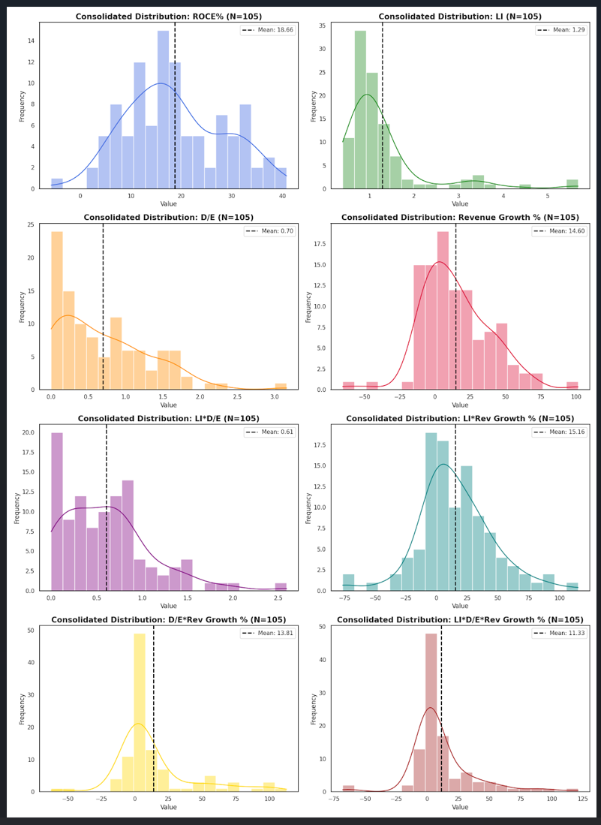
 |  |  |  |  |  |  |  |  | Consolidated Distribution Grid (N=105)

 |  |  |  |  |  |  |  |  | Detailed Interpretation of the Trends

 |  |  |  |  |  |  |  |  | 1. ROCE% (Return on Capital Employed):

 |  |  |  |  |  |  |  |  | Shape: Most closely resembles a Normal Distribution, though it has a slight negative skew (the tail on the left).

 |  |  |  |  |  |  |  |  | Insight: The majority of companies are clustered in the 15% to 30% range, which is a strong "middle class" of performance.

 |  |  |  |  |  |  |  |  | 2. LI (Liquidity Index):

 |  |  |  |  |  |  |  |  | Shape: Highly Right-Skewed.

 |  |  |  |  |  |  |  |  | Insight: Most companies keep their liquidity tight (around 1.0), but there is a clear "outlier zone" beyond 3.0. These represent companies that are potentially sitting on too much idle cash.

 |  |  |  |  |  |  |  |  | 3. D/E (Debt/Equity):

 |  |  |  |  |  |  |  |  | Shape: Bi-modal or heavily skewed toward zero.

 |  |  |  |  |  |  |  |  | Insight: There is a large peak at 0.00, indicating many debt-free companies. A secondary cluster exists between 0.5 and 1.5, representing companies that use moderate leverage.

 |  |  |  |  |  |  |  |  | 4. Revenue Growth %:

 |  |  |  |  |  |  |  |  | Shape: Very wide and flat (Platykurtic).

 |  |  |  |  |  |  |  |  | Insight: High variance here. While the center is positive, the "shoulders" of the curve are very broad, meaning high growth or sharp decline are both relatively common occurrences in this dataset.

 |  |  |  |  |  |  |  |  | 5. Interaction Terms:

 |  |  |  |  |  |  |  |  | Shape: Extremely sharp peaks near zero with long positive tails.

 |  |  |  |  |  |  |  |  | Insight: Because these terms are products of multiple variables (where at least one is often near zero, like D/E), the "typical" interaction effect is negligible for most companies. However, for a small subset, the interaction value is huge (the long tails), identifying unique cases where high liquidity, high debt, and high growth coincide.

 |  |  |  |  |  |  |  |  | Understanding KDE Curves and Skewness

 |  |  |  |  |  |  |  |  | Positive Skew (Tail to the right): Seen in LI and D/E. The average is "pulled" higher than the most frequent value by a few extreme high cases.

 |  |  |  |  |  |  |  |  | Near Symmetry: Seen in ROCE%. The mean and median are close, suggesting a balanced dataset for our primary performance metric.

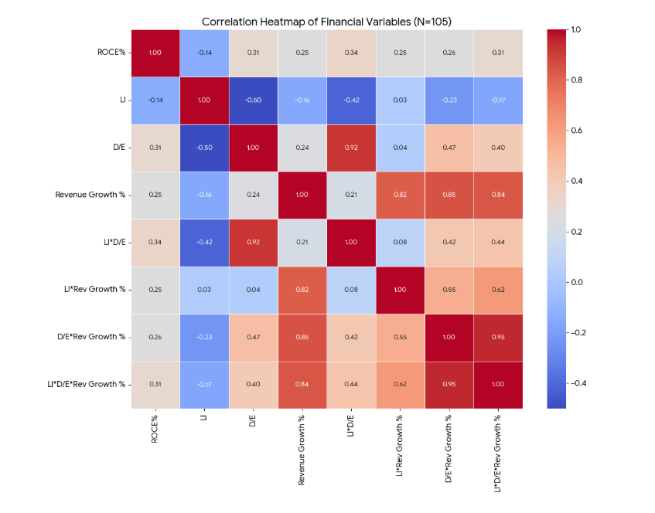

Correlation Heatmap (N=105)

Interpretation of the Correlation Heatmap

The values in the heatmap range from -1 to +1, where +1 is a perfect positive relationship, -1 is a perfect negative relationship, and 0 indicates no relationship.

1. Impact on ROCE% (Your Target Variable)

LI * D/E (0.34): Interestingly, the interaction between Liquidity and Debt/Equity shows the strongest positive correlation with ROCE%. This suggests that companies effectively balancing their leverage and liquidity tend to have better returns.

D/E (0.31): There is a moderate positive correlation here. This implies that, in this specific dataset, a higher debt-to-equity ratio (leverage) is generally associated with higher capital returns.

Revenue Growth % (0.25): There is a positive link between growth and ROCE, though it is slightly weaker than the leverage factors.

LI (-0.14): Liquidity Index shows a slight negative correlation. This reinforces our earlier observation that holding too much idle liquidity (high LI) might actually slightly dampen the Return on Capital Employed.

2. Relationships Between Predictors

LI and D/E (-0.50): There is a strong negative correlation here. This makes sense from a financial perspective, companies with high debt (high D/E) often have lower liquidity buffers, while debt-free companies tend to sit on more cash.

Revenue Growth and its Interactions (0.82 to 0.85): There are very high correlations between Revenue Growth and its interaction terms (LI*Rev Growth, etc.). This is mathematically expected as the interaction terms are directly derived from the growth percentage.

D/E * Rev Growth % and LI * D/E * Rev Growth % (0.95): These two are almost perfectly correlated, suggesting they provide very similar information to the model.

Summary of Insights

The most significant takeaway is that Leverage (D/E) and the Interaction between Liquidity and Leverage (LI*D/E) appear to be more influential on ROCE% than simple Liquidity or Growth alone.

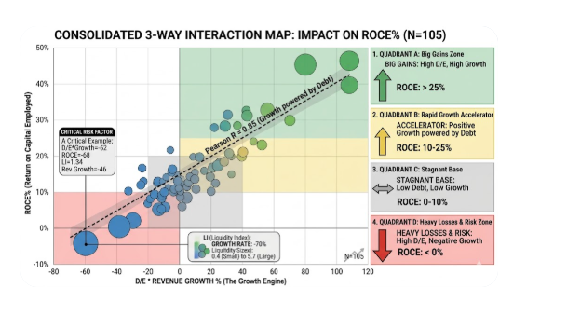

In this view:
 |  |  |  |  |  |  |  |  |  |  |  |  |  |  | Cash Hoarders: Large bubbles sitting in the "Stagnant Base" (middle of the chart). They have high liquidity (5.7) but aren't using it to drive high returns.
The X-axis is our D/E * Revenue Growth (The Growth Engine).
 |  |  |  |  |  |  |  |  |  |  |  |  |  |  | Lean Operators: Small bubbles (0.4) that might be in the "Big Gains" zone. These companies are generating high ROCE without needing a large cash cushion.
The Y-axis is our ROCE% (The Result).
 |  |  |  |  |  |  |  |  |  |  |  |  |  |  | High-Risk Outliers: Large bubbles in the "Heavy Losses" zone. These are companies that have high debt and high liquidity but are losing money because their growth has turned negative.
The Size of the Bubbles represents Liquidity (LI).

Interpreting the Consolidated View (N=105):

The "Big Gains" Quadrant (Top Right)

This is where bubbles are moving toward the top right. Here, High Debt/Equity and High Revenue Growth are working together.

The Trend: We see a steep upward slope.

Observation: Even with high debt, if growth is strong, the ROCE% climbs rapidly. These are our "Star" performers.

The "Heavy Losses" Quadrant (Bottom Left)

This is the danger zone. When Revenue Growth turns negative (below 0 on the X-axis) while Debt/Equity is still high.

The Trend: The ROCE% drops sharply into negative territory.

Observation: This is where that -59.47 and -68.00 interaction from our table lives. Leverage acts as an "accelerator" for losses here.

The "High Risk Zone" (Large Bubbles in the Center)

Looking for the largest bubbles. These are companies with High Liquidity (LI).

The Conflict: If a bubble is large (High LI) but sitting in the bottom half of the graph, it means the company is holding onto cash but failing to generate a return on it, often because they are burdened by the other two factors.

Summary of the Combined Effect

Based on our 105 rows, the data tells a very clear story:

1. Low Risk/Low Reward: Small bubbles near the center (Low LI, Low Growth, Low Debt).

2. High Risk/High Reward: Bubbles in the far right (Growth powered by Debt).

3. Critical Failure: Bubbles in the far left (Negative Growth coupled with Debt).

